compare with sota
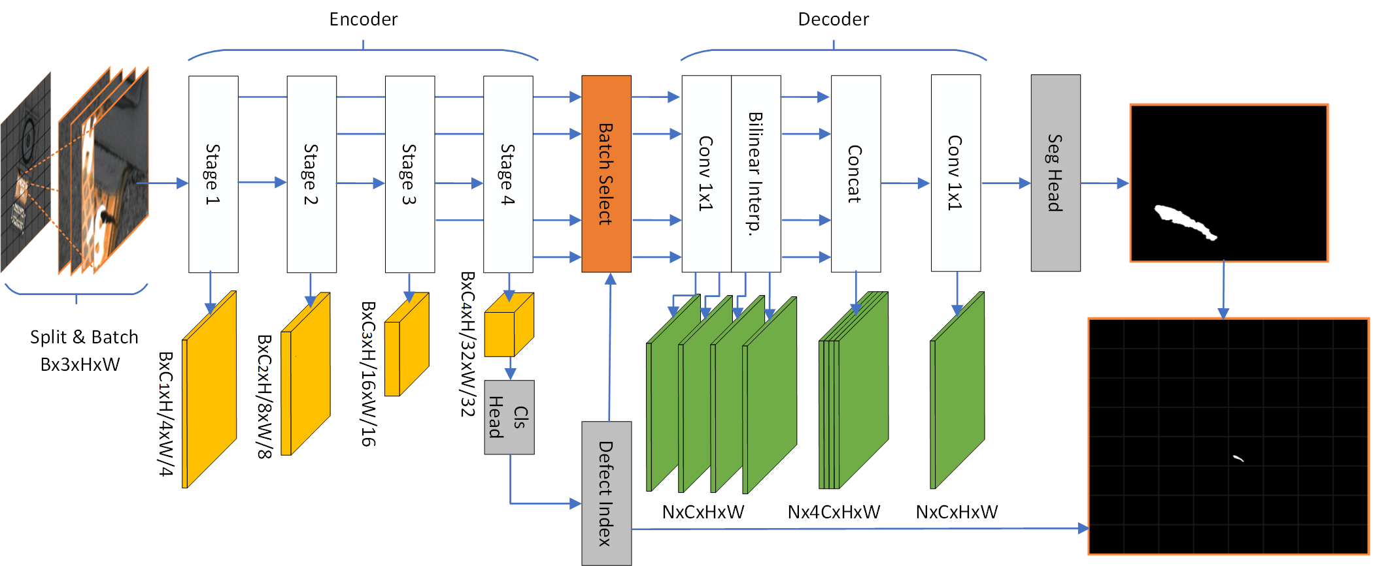
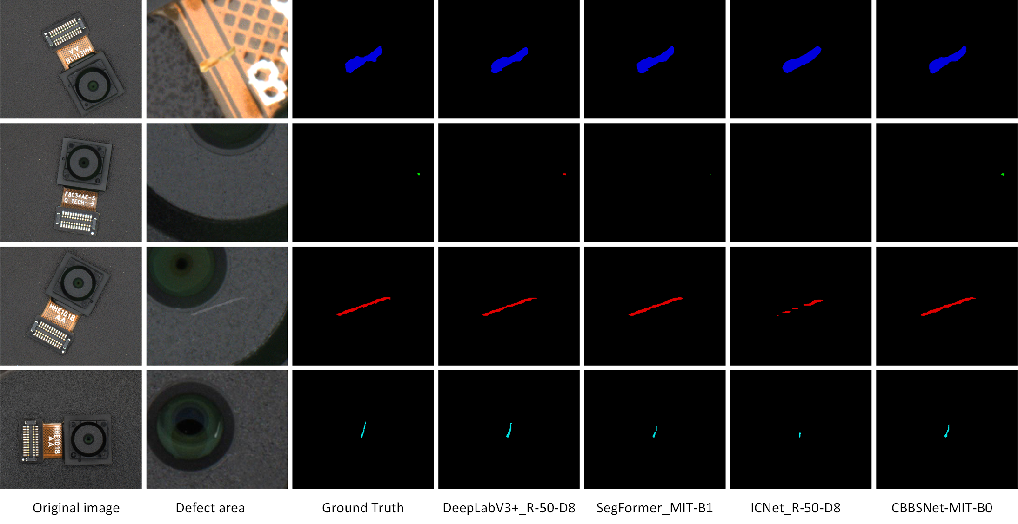
Type | Methods | Backbone | Publication Year | Crop Size | Sliding Window | Params | mDice | mAcc | mPrecision | mRecall | FPS

Complex Convolutional Model | UNet | UNet-S5-D16 | MICCAI‘2016 | 256x304 | Y | 29.06M | 57 | 56.53 | 95.83 | 56.53 | 1.31
 | PSPNet | R-18-D8 | CVPR'2017 | 256x304 | Y | 12.79M | 55.9 | 54.85 | 95.1 | 54.85 | 1.57
 |  | R-50-D8 |  | 256x304 | Y | 48.96M | 84.45 | 83.82 | 85.18 | 83.82 | 0.78
 | DeepLabV3+ | R-18-D8 | CVPR'2018 | 256x304 | Y | 12.47M | 56.15 | 55.04 | 95.65 | 55.04 | 1.28
 |  | R-50-D8 |  | 256x304 | Y | 43.58M | 88.14 | 88.94 | 87.58 | 88.94 | 0.9
Transformer Model | SegFormer | MIT-B0 | NeurIPS'2021 | 256x304 | Y | 3.72M | 92.24 | 91.82 | 92.68 | 91.82 | 0.88
 |  | MIT-B1 |  | 256x304 | Y | 13.68M | 92.89 | 92.23 | 93.57 | 92.23 | 0.92
 |  | MIT-B2 |  | 256x304 | Y | 24.72M | 92.53 | 92.1 | 92.96 | 92.1 | 0.52
 |  | MIT-B5 |  | 256x304 | Y | 81.97M | 92.69 | 92.11 | 93.29 | 92.11 | 0.17
 | DEST | SMIT-B5 | CVPRW'2022 | 256x304 | Y | 32M | 90.88 | 90.22 | 91.59 | 90.22 | 0.26
Real-Time Model | ICNet | R-50-D8 | ECCV'2018 | 256x304 | N | 47.82M | 66.02 | 64.74 | 84.77 | 64.74 | 9.49
 | CGNet | M3N21 | TIP'2020 | 256x304 | N | 492.73k | 34.27 | 34.7 | 84.67 | 34.7 | 9.37
 | BiSeNetV2 | BiSeNetV2 | IJCV'2021 | 256x304 | N | 14.77M | 18.94 | 95.28 | 20.15 | 95.28 | 10.82
Ours | CBBSNet | R-18-D8 | Ours | 256x304 | N | 11.71M | 83.35 | 80.11 | 86.99 | 80.11 | 7.81
 |  | R-50-D8 |  | 256x304 | N | 24.78M | 83.61 | 80.67 | 87.08 | 80.67 | 2.56
 |  | MIT-B0 |  | 256x304 | N | 3.72M | 91.26 | 90.52 | 92.02 | 90.52 | 10.64
 |  | MIT-B1 |  | 256x304 | N | 13.68M | 90.14 | 89.82 | 90.54 | 89.82 | 10.57

In terms of performance and efficiency, CBBSNet appears to strike a good balance compared to the other models in the table. Compared to the complex convolutional models (UNet, PSPNet, DeepLabV3+), CBBSNet has a similar or better mDice score, while having fewer parameters and a significantly higher FPS. This suggests that CBBSNet is more efficient than the complex convolutional models, making it a good choice for applications where both accuracy and speed are important. Compared to the transformer models (SegFormer, DEST), CBBSNet has a slightly lower mDice score than SegFormer, but a higher FPS and a lower number of parameters. This suggests that CBBSNet is more efficient than SegFormer while still maintaining a good level of accuracy. Additionally, CBBSNet is faster than DEST while having a similar mDice score and fewer parameters. Compared to the real-time models (ICNet, CGNet, BiSeNetV2), CBBSNet has a higher mDice score and a similar or better FPS than ICNet and CGNet, while having a significantly lower number of parameters. CBBSNet also has a higher mDice score and a similar FPS to BiSeNetV2, while having fewer parameters. This suggests that CBBSNet is more efficient than these real-time models while still maintaining a good level of accuracy. Overall, CBBSNet appears to be a good choice for semantic segmentation tasks that require a balance of accuracy and efficiency. It achieves this by having a reasonable number of parameters, a high FPS, and a competitive mDice score when compared to the other models in the table.

ablation study
CBBSNet-MIT-B0
online focus sampling | offline dense sampling | multi-task learning | batch selection | CE+Dice | mDice | FPS |  | Backbone | CLS_Head | Defect_Filtering | Batch_Processing | mDice | FPS
√ | x | x | x | x | 85.91 | 0.88 |  | MIT-B0 | x | x | x | 92.24 | 0.95
x | √ | x | x | x | 84.47 | 1.1 |  |  | x | x | √ | 92.24 | 5.74
x | √ | √ | x | x | 79.67 | 1.01 |  |  | √ | x | √ | 90.75 | 5.78
x | √ | √ | √ | x | 90.18 | 16.13 |  |  | √ | √ | x | 91.26 | 1.12
x | √ | √ | √ | √ | 90.7 | 15.93 |  |  | √ | √ | √ | 91.26 | 10.64
 |  |  |  |  |  |  |  | R-18-D8 |  |  |  | 87.41 | 1.39
 |  |  |  |  |  |  |  |  |  |  | √ | 87.41 | 4.04
 |  |  |  |  |  |  |  |  | √ |  | √ | 82.46 | 4.08
CBBSNet-MIT-B0 |  |  |  |  |  |  |  |  | √ | √ |  | 84.58 | 1.73
loss name | mDice | mFscore | mPrecision | mRecall |  |  |  |  | √ | √ | √ | 84.58 | 6.16
CE | 90.18 | 90.18 | 90.82 | 89.58
Focal Loss | 89.28 | 89.28 | 90.29 | 88.33
Dice Loss | 90.15 | 90.15 | 89.35 | 91.05
CE+Dice Loss | 91.26 | 91.26 | 92.02 | 90.52

 |  |  |  |  |  |  | category | pixel ratio
 |  |  |  |  |  |  | background | 0.9997
 |  |  |  |  |  |  | defects | 0.0003

 |  |  |  |  |  |  | category | pixel ratio
 |  |  |  |  |  |  | FPC cracks | 1.98E-04
 |  |  |  |  |  |  | foreign particles | 5.22E-06
 |  |  |  |  |  |  | end face notches | 7.25E-05
 |  |  |  |  |  |  | lens scratches | 1.98E-05

Sheet1
Methods | Backbone | crack on FPC |  |  |  |  | foreign particals |  |  |  |  | scrach on headface |  |  |  |  | scratch on lens
 |  | Dice | Acc | Fscore | Precision | Recall | Dice | Acc | Fscore | Precision | Recall | Dice | Acc | Fscore | Precision | Recall | Dice | Acc | Fscore | Precision | Recall
UNet | UNet-S5-D16 | 94.11 | 92.39 | 94.11 | 95.9 | 92.39 | 0 | 0 | nan | nan | 0 | 90.91 | 90.24 | 90.91 | 91.6 | 90.24 | 0 | 0 | nan | nan | 0
PSPNet | R-18-D8 | 93.8 | 93.05 | 93.8 | 94.57 | 93.05 | 0 | 0 | nan | nan | 0 | 85.72 | 81.22 | 85.72 | 90.74 | 81.22 | 0 | 0 | nan | nan | 0
 | R-50-D8 | 93.46 | 91.55 | 93.46 | 95.46 | 91.55 | 64.08 | 62.69 | 64.08 | 65.53 | 62.69 | 85.89 | 83.27 | 85.89 | 88.68 | 83.27 | 78.82 | 81.6 | 78.82 | 76.22 | 81.6
DeepLabV3+ | R-18-D8 | 93.76 | 93.2 | 93.76 | 94.33 | 93.2 | 0 | 0 | nan | nan | 0 | 87 | 82.02 | 87 | 92.63 | 82.02 | 0 | 0 | nan | nan | 0
 | R-50-D8 | 93.14 | 92.7 | 93.14 | 93.58 | 92.7 | 71.52 | 77.46 | 71.52 | 66.42 | 77.46 | 89.02 | 85.73 | 89.02 | 92.57 | 85.73 | 87.05 | 88.81 | 87.05 | 85.35 | 88.81
SegFormer | MIT-B0 | 95.28 | 94.12 | 95.28 | 96.47 | 94.12 | 85.01 | 85.12 | 85.01 | 84.9 | 85.12 | 91.09 | 89.69 | 91.09 | 92.54 | 89.69 | 89.82 | 90.17 | 89.82 | 89.48 | 90.17
 | MIT-B1 | 95.74 | 95.04 | 95.74 | 96.46 | 95.04 | 86.79 | 85.71 | 86.79 | 87.91 | 85.71 | 91.97 | 90.53 | 91.97 | 93.46 | 90.53 | 89.94 | 89.87 | 89.94 | 90.02 | 89.87
 | MIT-B2 | 95.89 | 95.04 | 95.89 | 96.75 | 95.04 | 83.9 | 83.74 | 83.9 | 84.07 | 83.74 | 92.69 | 91.81 | 92.69 | 93.58 | 91.81 | 90.16 | 89.93 | 90.16 | 90.38 | 89.93
 | MIT-B5 | 95.7 | 95.15 | 95.7 | 96.26 | 95.15 | 85.06 | 83.48 | 85.06 | 86.7 | 83.48 | 92.78 | 92.19 | 92.78 | 93.39 | 92.19 | 89.91 | 89.73 | 89.91 | 90.09 | 89.73
DEST | SMIT-B5 | 93.39 | 91.25 | 93.39 | 95.64 | 91.25 | 81.2 | 81.8 | 81.2 | 80.62 | 81.8 | 89.63 | 87.36 | 89.63 | 92.01 | 87.36 | 90.18 | 90.69 | 90.18 | 89.68 | 90.69
ICNet | R-50-D8 | 86.95 | 91.36 | 86.95 | 82.94 | 91.36 | 0 | 0 | nan | nan | 0 | 75.06 | 71.19 | 75.06 | 79.36 | 71.19 | 68.1 | 61.17 | 68.1 | 76.79 | 61.17
CGNet | M3N21 | 71.37 | 73.5 | 71.37 | 69.35 | 73.5 | 0 | 0 | nan | nan | 0 | 0 | 0 | nan | nan | 0 | 0 | 0 | nan | nan | 0
BiSeNetV2 | BiSeNetV2 | 0.42 | 100 | 0.42 | 0.21 | 100 | 0.08 | 91.42 | 0.08 | 0.04 | 91.42 | 0.65 | 99.7 | 0.65 | 0.33 | 99.7 | 0.34 | 98.03 | 0.34 | 0.17 | 98.03
CBBSNet | R-18-D8 | 88.38 | 82.9 | 88.38 | 94.63 | 82.9 | 65.7 | 63.14 | 65.7 | 68.48 | 63.14 | 81.56 | 76.04 | 81.56 | 87.94 | 76.04 | 81.09 | 78.47 | 81.09 | 83.89 | 78.47
 | R-50-D8 | 88.34 | 82.76 | 88.34 | 94.73 | 82.76 | 66.48 | 63.73 | 66.48 | 69.48 | 63.73 | 80.74 | 73.6 | 80.74 | 89.42 | 73.6 | 82.5 | 83.24 | 82.5 | 81.77 | 83.24
 | MIT-B0 | 93.84 | 92.21 | 93.84 | 95.53 | 92.21 | 83.31 | 82.86 | 83.31 | 83.76 | 82.86 | 90.18 | 88.27 | 90.18 | 92.17 | 88.27 | 88.95 | 89.26 | 88.95 | 88.64 | 89.26
 | MIT-B1 | 91.8 | 89.66 | 91.8 | 94.04 | 89.66 | 80.76 | 83.43 | 80.76 | 78.25 | 83.43 | 90.15 | 87.97 | 90.15 | 92.43 | 87.99 | 88 | 88.02 | 88 | 87.99 | 88.02

 | Methods | FPC cracks |  |  |  |  | foreign particles |  |  |  |  | end face notches |  |  |  |  | lens scratches
 |  | Dice | Acc | Fscore | Precision | Recall | Dice | Acc | Fscore | Precision | Recall | Dice | Acc | Fscore | Precision | Recall | Dice | Acc | Fscore | Precision | Recall
 | DeepLabV3+ | 93.14 | 92.7 | 93.14 | 93.58 | 92.7 | 71.52 | 77.46 | 71.52 | 66.42 | 77.46 | 89.02 | 85.73 | 89.02 | 92.57 | 85.73 | 87.05 | 88.81 | 87.05 | 85.35 | 88.81
 | CBFS-Net | 93.84 | 92.21 | 93.84 | 95.53 | 92.21 | 83.31 | 82.86 | 83.31 | 83.76 | 82.86 | 90.18 | 88.27 | 90.18 | 92.17 | 88.27 | 88.95 | 89.26 | 88.95 | 88.64 | 89.26

